Table 14
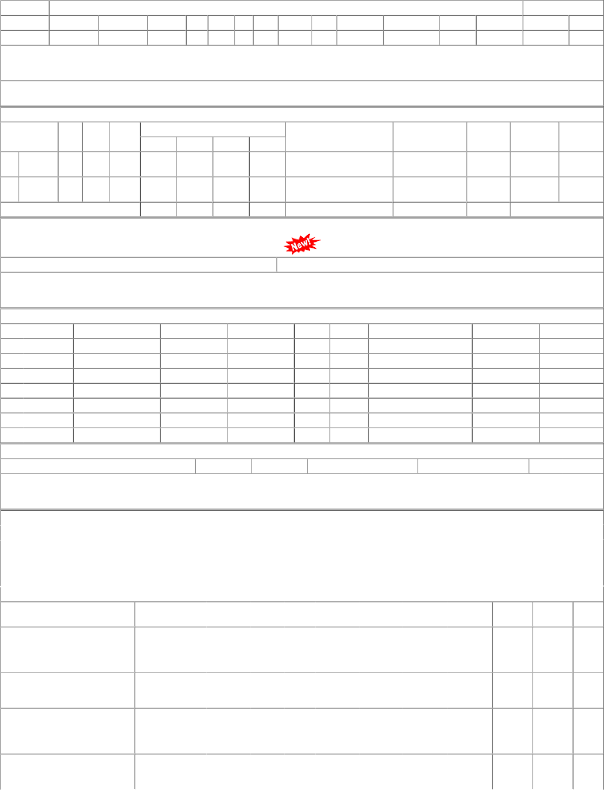
P.O.No./Vendor Name | Sr | Depot |  | AI Rate |  | PO Qty | Unit | Due Qty |  | Start Dp | Dely.Dt | Dem.No.
P.O.No.24222507102108 dt.28- apr-2022 on M/s.RAIL CORP INDIA- RAIPUR RITES-INSP-CALL PO-CAT:[ Reg ] | 001 | PL-CR |  | 36.75 |  | 8000 | Kgs. | 8000 |  |  | 2022-08-18 | 0222013349
P.O.No./Vendor Name Sr P.O.No.78221217200406 001 dt.01/09/22 on M/s.HIT ENTERPRISE-BHAVNAGAR PO-CAT:[ Reg ] P.O.No.24222507102108 001 dt.28/04/22 on M/s.RAIL CORP INDIA-RAIPUR PO-CAT:[ Reg ] P.O.No.78221090200147 001 dt.26/04/22 on M/s.HIT ENTERPRISE-BHAVNAGAR PO-CAT:[ Reg ] P.O.No.52221037100358 001 dt.07/03/22 on M/s.RAIL CORP INDIA-RAIPUR PO-CAT:[ Reg ] | Depot BVPW PL-CR BVPW PL-CR |  | ORDERS AI Rate 34.00 36.75 33.50 38.85 | PLACED PO Qty 5000 8000 5000 5000 | DURIN Unit Kgs. Kgs. Kgs. Kgs. | G LAST 3 Canc Qty 0 0 0 0 | YEARS Rej. Qty 0 6990 0 0 | Recd Qty 5000 0 5000 4955 | 14 18 06 22 | Org.DP Star /09/22 /08/22 /05/22 /03/22 | t DP Ext.DP PO Status 14/09/22 OP 18/08/22 OP 06/05/22 OP 22/03/22 OP

